Test case List
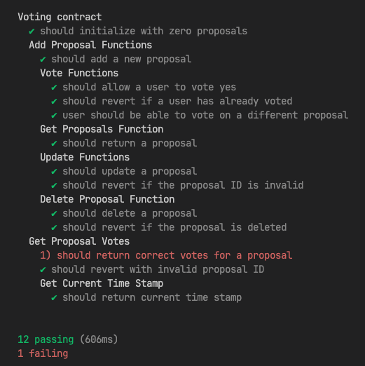
TEST CASE LIST

Project Name |  | Funix Voting Daap
Test Environment Setup Description |  | 1. Hardhat Network: Local Ethereum network for testing contracts. 2. Web Browser: Accesses dApps for interaction testing. 3. Metamask: Wallet extension for signing transactions. 4. Hardhat node: Local node for running test cases

No | Function Name | Sheet Name | Description | Pre-Condition
1 | deploy | Owner/Users | Tests smart contract should initialize with zero proposals | Contract is deployed, and no proposals exist.
2 | add Proposal | Owner/Users | Tests smart contract should add a new proposal | At least one proposal exists.
3 | vote | Owner/Users | Tests that a user can't vote twice on the same proposal. | At least one proposal exists and the user has already voted on it.
4 | vote | Owner/Users | Tests that a user can vote yes for a proposal | At least one proposal exists.
5 | vote | Owner/Users | Tests should revert if a user has already voted | At least one proposal exists.
6 | vote | Owner/Users | Tests user should be able to vote on a different proposal | At least one proposal exists.
7 | get Proposals | Owner/Users | Tests should return a proposal with correct id | At least one proposal exists.
8 | Update Functions | Owner | Tests proposal is updated with new information | At least one proposal exists.
9 | Update Functions | Owner | Tests should revert if ID is invalid | At least one proposal exists.
10 | Delete Proposal Function | Owner | Tests owner delete a proposal successfully | At least one proposal exists.
11 | Delete Proposal Function | Owner | Tests should revert if the proposal is deleted | At least one proposal exists.
12 | Get Proposal Votes | Owner/Users | Tests should return correct votes for a proposal | At least one proposal exists.
13 | Get Current Time Stamp | Owner/Users | Tests should return current time stamp | No pre-condition

